KKO
KAJIAN KELAYAKAN OPERASI

DAYA LAMA |  |  |  | DAYA BARU
Nama Pelanggan | : | PD MUSTOFA 3,5-10,6KVA |  | Nama Pelanggan | : | PD MUSTOFA 3,5-10,6KVA
Daya Lama (VA) | : | 3500 |  | Daya Baru (VA) | : | 10600
Jumlah Fasa | : | 1 | * | Jumlah Fasa | : | 1
Tegangan Sekunder Pengukuran rata-rata (Fasa-Netral) (V) | : | 220 | * | Tegangan Sekunder Pengukuran rata-rata (Fasa-Netral) (V) | : | 220
Beban Pelanggan (A) | : | 15.95 |  | Beban Pelanggan (A) | : | 48.32

SUPLAI TRAFO EKSISTING |  |  |  | SUPLAI TRAFO RENCANA
Nomor Tiang | : | PWI05-101 |  | Nomor Tiang | :
Penyulang | : | PWI05 |  | Penyulang | :
Daya | : | 100 | * | Daya | :
Jumlah Fasa | : | 3 | * | Jumlah Fasa | :
Beban TRAFO (Pengukuran Lapangan) |  | 101 |  | Beban TRAFO | : | 48.32
Beban Primer | : | 2.89 | * | Beban Primer | : | 0.00
Beban Sekunder | : | 151.93 | * | Beban Sekunder | : | 0.00
Beban (A) | : | 0.15 |  | Beban (A) | : | 0.00
Prosentase Pembebanan | : | 66% |  | Beban (A) | : | #DIV/0!
 | 0% | 100%
Prosentase Pembebanan | : | 100% |  | Beban (A) | : | 100%

DATA





DATA
Tahun | : | 2023
Discount Rate | : | 12%
Transfer price TM | : | 1,084 |  | Marginal COST maret 2022
Umur ekonomis (tahun) | : | 25.00
Selisih Susut Teknis | : | 2.25%
∑ Daya | : | 7
BP (Rp) | : | 6,879,900
RAB (Rp) | : | 7,181,982
Biaya O&M (2% invest) | : | 143,639.64

Nama Pelanggan | : | PD MUSTOFA 3,5-10,6KVA | *
Golongan Pelanggan | : | B2 | *
Jenis Layanan | : | REGULER | *
Daya Lama (kVA) | : | 4 | *
Daya Baru (kVA) | : | 10.60 | *
Tarif WBP (Rp/kWh) | : | 1,444.70 | *
Tarif LWBP (Rp/kWh) | : | 1,444.70 | *
BP (Rp/VA) TR | : | 969 | *
Jam Nyala | : | 40 | *

RAB
 |  | PT. PLN ( PERSERO )
 |  | UNIT INDUK DISTRIBUSI JAWA TENGAH & DI YOGYAKARTA |  |  |  |  |  |  |  |  |  |  | RAB TOTAL
 |  | UP3 DEMAK |  |  |  |  |  |  |  |  |  | RAB TOTAL | RAB NON MDU
 | RENCANA ANGGARAN BIAYA (RAB)

 |  |  |  | Pekerjaan | : | PD MUSTOFA 3,5-10,6KVA
 |  |  |  | Lokasi | : | NGRAMUT
 |  |  |  | Pelaksana | : | PT. PLN (PERSERO) UP3 DEMAK
 |  |  |  | Anggaran | : | SAR 2023

Note !! 1. Saat Pengisian Uraian di mohon memasukan nama material sesuai dengan nama material di harga satuan
2. Mohon di cek kembali saat pengisian volume material
3. Untuk program Sarana Penunjang Fungsi tidak perlu SLO.
 | NO | URAIAN | GOL | SAT | VOL | HARGA SATUAN | BIAYA YANG DIPERLUKAN ( Rp )
 |  |  |  |  |  |  | MDU | HARDWARE | JASA | JUMLAH

 |  |  |  |  |  | 0 | 0 | 0 | 0 | 0
#REF! | I | PEMASANGAN TIANG |  |  |  | 0 | 0 | 0 | 0 | 0
 |  |  |  |  |  | 0 | 0 | 0 | 0 | 0
 | II | PEMASANGAN KONSTRUKSI |  |  |  | 0 | 0 | 0 | 0 | 0
 | + | CJ6-T |  | Unit | 2 | 0 | 0 | 0 | 0 | 0
 | 1 | Dead End Assembly | HDW | Bh | 2 | 78,500 | 0 | 157,000 | 0 | 157,000
 | 2 | Plastic Strap for Clamping | HDW | Bh | 2 | 4,212 | 0 | 8,424 | 0 | 8,424
 | 3 | Stainless Steel Strap 20 x 0.7 mm | HDW | Mtr | 2 | 23,310 | 0 | 46,620 | 0 | 46,620
 | 4 | Stopping Buckle / Yokes | HDW | Bh | 2 | 2,300 | 0 | 4,600 | 0 | 4,600
 | 5 | Upah Pasang Konst. JTR J6-T | JASA | Unit | 2 | 35,700 | 0 | 0 | 71,400 | 71,400
 |  |  |  |  |  | 0 | 0 | 0 | 0 | 0
 | III | PEKERJAAN PEMASANGAN KONDUKTOR |  |  |  | 0 | 0 | 0 | 0 | 0
 |  |  |  |  |  | 0 | 0 | 0 | 0 | 0
 |  |  |  |  |  | 0 | 0 | 0 | 0 | 0 | #REF!
 | IV | PEMASANGAN APP |  |  |  | 0 | 0 | 0 | 0 | 0
 | + | Daya 10.600 VA |  | Unit | 1 | 0 | 0 | 0 | 0 | 0
 | 1 | KWH Elektronik; 3P; 4W; 220/380V; 5(80) A; kls 1 (Pengukuran Langsung) | MDU-KD | Bh | 1 | 1,427,400 | 1,427,400 | 0 | 0 | 1,427,400
 | 2 | Smart Box Langsung Daya 10.6 kVA MCCB 16 A | MDU-KD | Unit | 1 | 3,564,900 | 3,564,900 | 0 | 0 | 3,564,900
 | 3 | NFA2X 4 x 16 mm² | MDU-KD | Mtr | 40 | 13,500 | 540,000 | 0 | 0 | 540,000
 | 4 | Upah Pasang SR + APP 3 Fasa | JASA | Unit | 1 | 106,400 | 0 | 0 | 106,400 | 106,400
 |  |  |  |  |  | 0 | 0 | 0 | 0 | 0
 | + | CM2-11 |  | Unit | 1 | 0 | 0 | 0 | 0 | 0
 | 1 | Ground rod ⅝" x 8" Copper Weld | HDW | Bh | 1 | 185,200 | 0 | 185,200 | 0 | 185,200
 | 2 | Bimetalic Connector 35 - 240 mm² | HDW | Bh | 1 | 47,459 | 0 | 47,459 | 0 | 47,459
 | 3 | Ground wire Cu 16 mm² | HDW | Mtr | 1.5 | 30,000 | 0 | 45,000 | 0 | 45,000
 | 4 | Ground rod & Washer | HDW | Bh | 2 | 9,500 | 0 | 19,000 | 0 | 19,000
 | 5 | Upah Pasang Acc.Jar M2-11 | JASA | Unit | 1 | 56,400 | 0 | 0 | 56,400 | 56,400
 | V | UPAH BONGKAR |  | 0 |  | 0 | 0 | 0 | 0 | 0
 | 1 | Upah Bongkar SR + APP 1 Fasa | JASA | Unit | 1 | 32,640 | 0 | 0 | 32,640 | 32,640
 |  | SLO |  |  |  | 0 | 0 | 0 | 0 | 0 | #REF!
 | 1 | Sertifikasi Laik Operasi | JASA | Lot | 1 | 2.5% | 138,308 | 12,833 | 6,671 | 157,811
 |  |  |  |  |  |  | 0 | 0 | 0 | 0

 |  | Jumlah MDU - Hardware - Jasa |  |  |  | : | 5,670,608 | 526,136 | 273,511 | 6,470,254
 |  | PPN 11% |  |  |  | : | 623,767 | 57,875 | 30,086 | 711,728
 |  | Jumlah Total |  |  |  | : | 6,294,374 | 584,010 | 303,597 | 7,181,982 | 201,265,205
 | Terbilang : Tujuh Juta Seratus Delapan Puluh Satu Ribu Sembilan Ratus Delapan Puluh Dua Rupiah

 | Harga yang dipakai adalah RAB HSS 2023

 |  |  |  |  |  |  |  | Demak, 30Agustus 2023
 |  |  |  |  |  |  |  | ASMAN PERENCANAAN

 |  |  |  |  |  |  |  | VALENTHINA EKA SABTI WONOHUSODO

GAMBAR
 | PT. PLN (PERSERO) UP3 DEMAK
APP 3P 10,6KVA
SR 4X16MM = 40 M
1 CM2-11
-7.070663, 110.909746 | Keterangan Gambar :
 | No | Nama Material |  |  | Baru |  | Eksisting
 | 1 | Tiang Beton
 | 2 | Tiang Besi
3 Ph 100 kVA
 | 3 | JTM 3 Fasa
 | 4 | JTM 1 Fasa
 | 5 | JTR 1 Fasa Only / UB
 | 6 | JTR 3 Fasa Only / UB
PWI05-101
1 C12-200
1 CC1-A
1 312-A 100KVA
1 CJ6-T
1 CJ6-T
PWI05-102
1 C12-200
1 CC1-A
1 CJ6-T
 | 7 | Trafo 1 Fasa
 | 8 | Trafo 3 Fasa
s
s
 | 9 | Fuse Cut Out
 | 10 | ABSW
 | 11 | Vang Net
 | 12 | Schoor
 | 13
s
s
 | Bongkar Pasang Konstruksi :
 | Pasang |  |  |  | Bongkar
 | CJ6-T |  | UNIT | 2 | SR APP 1P |  | UNIT | 1
 | CM2-11 |  | UNIT | 1
 | SR 4X16 MM |  | MTR | 40

 | SR APP 10,6 KVA |  | UNIT | 1

 | Keterangan Tambahan : https://goo.gl/maps/BBmyPAdWKc4wmTC86

 | Golongan
 | No. Gambar |  | 1 |  |  | Lembar |  | dr
 | Gambar dari |  |  |  |  | Skala
 | Perihal:
 | PD MUSTOFA 3,5-10,6KVA

 | Digambar |  | Spv. Rensis
 | Diperiksa |  | Man. Perencanaan
 | Diketahui |  | Man. Perencanaan
 | Disetujui |  | Manager

1 CG 313-A
1 C12-350E
1 CC7
3 CM2-11M
1 CM2-12
1 CM2-12A
1 F1-2
1 CE1-2

RUMAH SAKIT TRIMEDIKA
35
35
JL.PURWODADI-SUKOLILO-PATI

K2-541 B
1 C12-350E
1 CC1-A
1 CM2-12
1 CJ6-T
K2-541 A
1 C12-350E
1 CC8-AN
1 CM2-12
1 F1-2
1 CE1-2
K2-541
1 C12-350E
1 CC1
1 CC7
2 CM5-5
3 Ph 160 kVA

Peta lokasi
PETA LOKASI

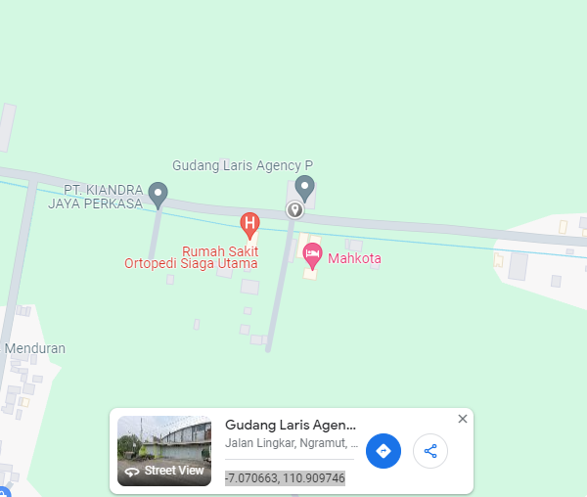

RS TRI MEDIKA KETAPANG

SLD
SINGLE LINE DIAGRAM LOKASI

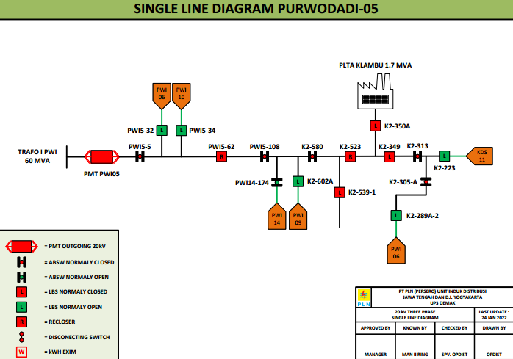

lokasi

